graph
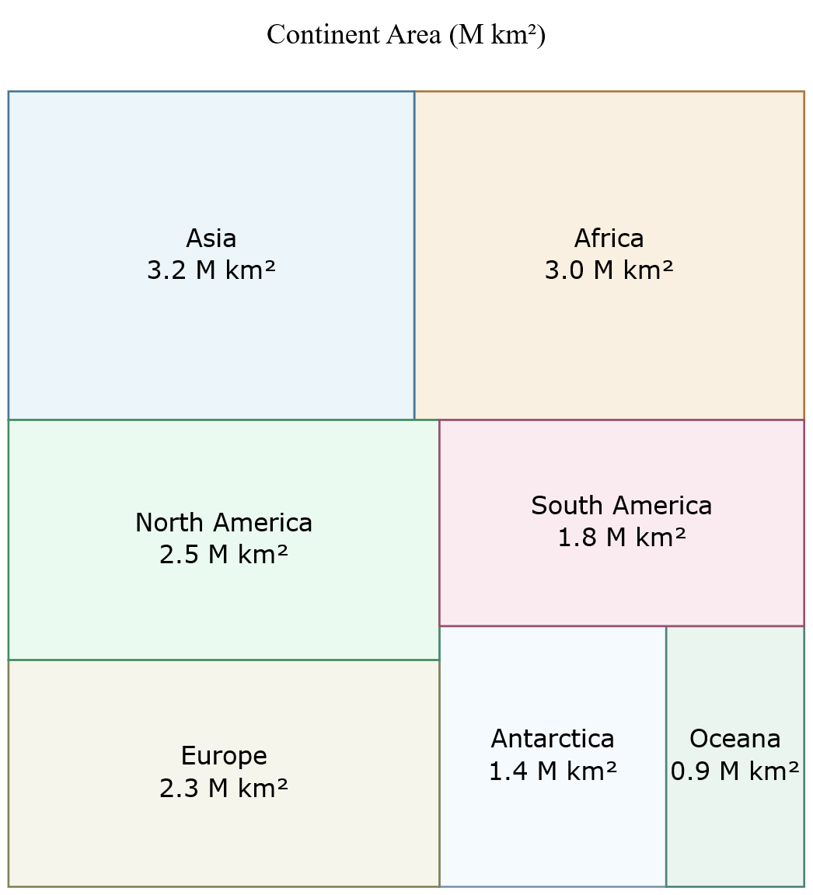

styles
Style Name | Format | Style Type | All Styles | No Clusters | No Edges
node |  | node | yes | yes | yes
edge |  | edge | yes | yes | no
subgraph-open |  | subgraph-open | yes | no | yes | 
subgraph-close |  | subgraph-close | yes | no | yes
keyword |  | keyword | yes | yes | yes
native |  | native | yes | yes | yes
Africa | fillcolor="#FAF0E1" color="#A8783C" fontname=Verdana fontsize=12 style=filled | node | yes | yes | yes
Asia | fillcolor="#EBF5FA", color="#467896", fontname=Verdana fontsize=12 style=filled | node | yes | yes | yes
Europe | fillcolor="#F5F5EB", color="#82825A", fontname=Verdana fontsize=12 style=filled | node | yes | yes | yes
North America | fillcolor="#EBFAF0", color="#468C64", fontname=Verdana fontsize=12 style=filled | node | yes | yes | yes
South America | fillcolor="#FAEBF0", color="#96506E", fontname=Verdana fontsize=12 style=filled | node | yes | yes | yes
Oceana | fillcolor="#EBF5F0", color="#508278", fontname=Verdana fontsize=12 style=filled | node | yes | yes | yes
Antarctica | fillcolor="#F5FAFF", color="#7896AA", fontname=Verdana fontsize=12 style=filled | node | yes | yes | yes

sql
 | SQL SELECT Statement | Data File | Status

# | Specify the workbook containing the data |  | SKIPPED
 | SET DATA FILE | countries.xlsx | SUCCESS

# | Lock the size to 6 inches by 6 inches |  | SKIPPED
 | SELECT '>' AS [Item], 'size="6,6!" ratio="fill"' AS [Label] |  | SUCCESS
# | Tally the area of each continent, and emit it |  | SKIPPED
✎
▶
 | SELECT [Continent] AS [Item], [Continent] & '\n' & FORMAT(SUM([AreaInSquareKm]) / 10000000, "0.0") & ' M km²' AS [Label], 'area=' & (SUM([AreaInSquareKm])/1000000) AS [Attributes], [Continent] AS [Style Name] FROM [countries$] WHERE [AreaInSquareKm] IS NOT NULL GROUP BY [Continent] ORDER BY [Continent] |  | SUCCESS
# |  |  | SKIPPED
# | Give the chart a title |  | SKIPPED
 | SELECT 'graph' AS [Item], 'Continent Area (M km²)\n\n' AS [Label], 'labelloc=top' AS [Attributes] |  | SUCCESS
# | Render the graph |  | SKIPPED
 | PREVIEW |  | SUCCESS
 | PUBLISH |  | SUCCESS

